Summary
# variants | run-time in sec | memory in mb
1 | 0.03 | 558.635056
2 | 0.37657894737 | 1132.430208
3 | 0.72589473684 | 1320.326048
4 | 1.0961052632 | 1458.085376
5 | 1.59 | 1525.56108
6 | 1.92 | 1424.95124 | # case study | Apo Games
7 | 2.3198421053 | 1477.572224 | Intra var (sec) | 186.40
8 | 2.772 | 1503.80748 | Intra var (sec) | 647.40
9 | 3.15 | 1505.601328 | KSLOC | 102.00
10 | 3.84 | 1584.841128 | Memory Consumtion (GB) | 57.20
11 | 4.2485263158 | 1629.246544
 | Intra var (sec) | Intra var (sec) | KSLOC | Memory Consumtion (GB)
Apo Games | 186.4 | 647.4 | 102 | 57.2
12 | 4.77 | 1660.246544
13 | 5.17 | 1743.07772
14 | 5.60 | 1558.728248
15 | 6.25 | 1611.436664
16 | 6.82 | 1763.60748

Runtime ApoGames
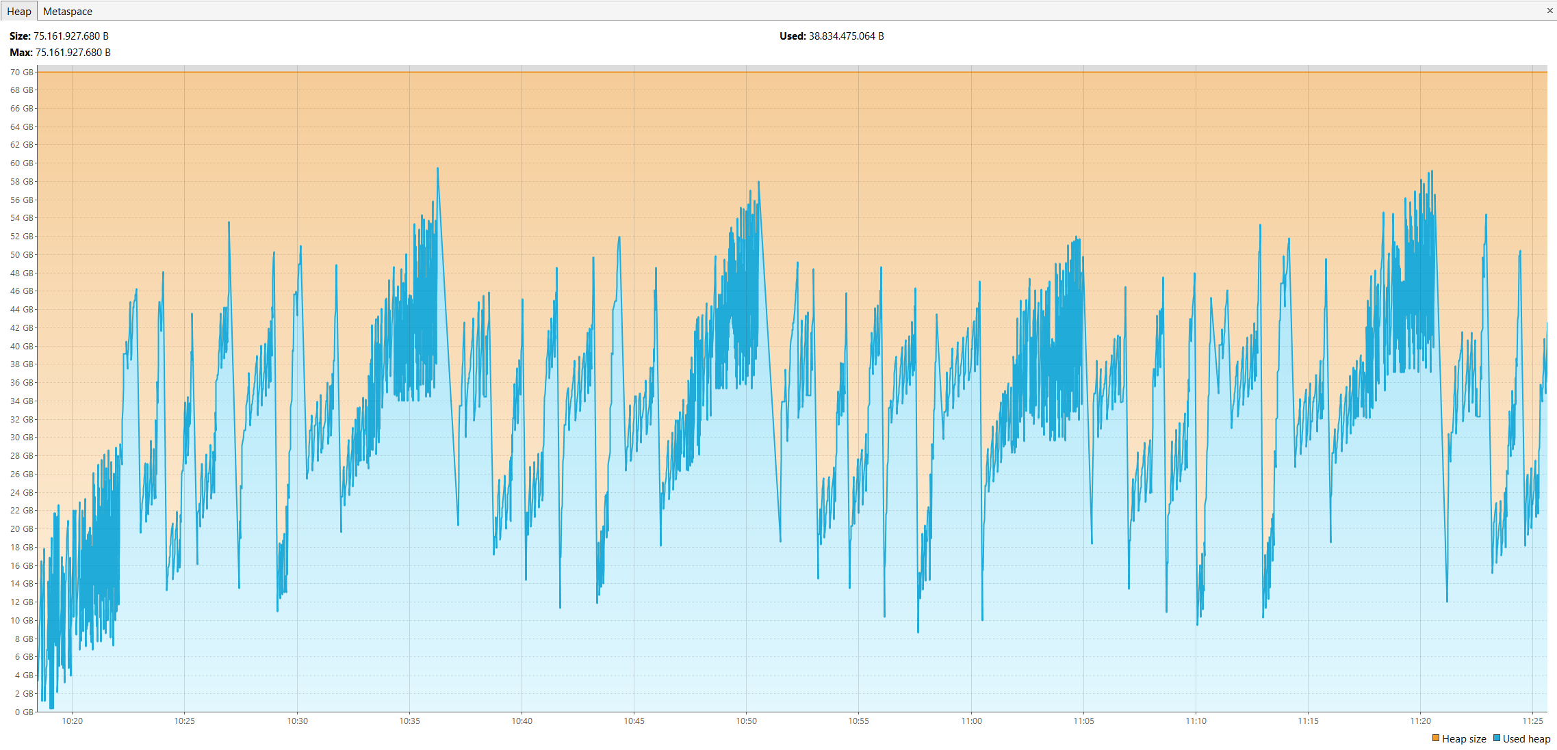
 |  |  |  |  |  |  |  |  | Intra Cloning Avg
Starting Variability Mining Run 1 | Starting Variability Mining Run 2 | Starting Variability Mining Run 3 | Starting Variability Mining Run 4 | Starting Variability Mining Run 5 | Starting Variability Mining Run 6 | Starting Variability Mining Run 7 | Starting Variability Mining Run 8 | Starting Variability Mining Run 9
next variant ApoBot | next variant ApoBot | next variant ApoBot | next variant ApoBot | next variant ApoBot | next variant ApoBot | next variant ApoBot | next variant ApoBot | next variant ApoBot
1.768 | 1.497 | 1.452 | 1.451 | 1.62 | 1.462 | 1.541 | 1.555 | 1.499 | 1.5383333333
next variant ApoCommando | next variant ApoCommando | next variant ApoCommando | next variant ApoCommando | next variant ApoCommando | next variant ApoCommando | next variant ApoCommando | next variant ApoCommando | next variant ApoCommando
31.261 | 30.601 | 30.142 | 30.23 | 30.49 | 30.5 | 31.201 | 30.47 | 30.78 | 30.630555556
2.624 | 2.77 | 2.526 | 2.583 | 2.57 | 2.535 | 2.805 | 2.583 | 2.666 | 2.6291111111
next variant ApoIcarus | next variant ApoIcarus | next variant ApoIcarus | next variant ApoIcarus | next variant ApoIcarus | next variant ApoIcarus | next variant ApoIcarus | next variant ApoIcarus | next variant ApoIcarus
1.807 | 1.769 | 1.785 | 1.789 | 1.771 | 1.783 | 1.846 | 1.772 | 1.778 | 1.7888888889
7.299 | 6.671 | 6.845 | 6.915 | 7.137 | 6.758 | 6.816 | 6.856 | 6.581 | 6.8753333333
next variant ApoIcejump | next variant ApoIcejump | next variant ApoIcejump | next variant ApoIcejump | next variant ApoIcejump | next variant ApoIcejump | next variant ApoIcejump | next variant ApoIcejump | next variant ApoIcejump
7.569 | 7.195 | 7.181 | 7.285 | 7.225 | 7.146 | 7.228 | 7.223 | 7.165 | 7.2463333333
15.562 | 14.3 | 14.943 | 14.396 | 14.48 | 14.247 | 15.6 | 14.387 | 13.947 | 14.651333333
next variant ApoImp | next variant ApoImp | next variant ApoImp | next variant ApoImp | next variant ApoImp | next variant ApoImp | next variant ApoImp | next variant ApoImp | next variant ApoImp
1.746 | 1.746 | 1.702 | 1.958 | 1.763 | 1.774 | 1.852 | 1.93 | 1.685 | 1.7951111111
6.873 | 6.23 | 6.382 | 6.599 | 6.283 | 5.987 | 6.335 | 6.431 | 5.952 | 6.3413333333
next variant ApoMarc | next variant ApoMarc | next variant ApoMarc | next variant ApoMarc | next variant ApoMarc | next variant ApoMarc | next variant ApoMarc | next variant ApoMarc | next variant ApoMarc
1.229 | 1.352 | 1.187 | 1.459 | 1.185 | 1.346 | 1.197 | 1.19 | 1.297 | 1.2713333333
12.741 | 11.596 | 11.832 | 12.301 | 11.469 | 11.7 | 11.376 | 11.858 | 11.901 | 11.863777778
next variant ApoMario | next variant ApoMario | next variant ApoMario | next variant ApoMario | next variant ApoMario | next variant ApoMario | next variant ApoMario | next variant ApoMario | next variant ApoMario
109.87 | 104.121 | 100.864 | 102.72 | 101.695 | 102.442 | 102.107 | 102.229 | 102.875 | 103.21366667
210.761 | 121.743 | 93.101 | 82.546 | 92.61 | 118.48 | 127.801 | 90.103 | 121.241 | 117.59844444
next variant ApoNotSoSimple | next variant ApoNotSoSimple | next variant ApoNotSoSimple | next variant ApoNotSoSimple | next variant ApoNotSoSimple | next variant ApoNotSoSimple | next variant ApoNotSoSimple | next variant ApoNotSoSimple | next variant ApoNotSoSimple
8.335 | 9.586 | 9.624 | 9.368 | 8.88 | 10.45 | 9.306 | 9.494 | 12.306 | 9.7054444444
87.819 | 59.815 | 70.515 | 56.581 | 69.9 | 71.546 | 58.739 | 70.518 | 71.952 | 68.598333333
next variant ApoPongBeat | next variant ApoPongBeat | next variant ApoPongBeat | next variant ApoPongBeat | next variant ApoPongBeat | next variant ApoPongBeat | next variant ApoPongBeat | next variant ApoPongBeat | next variant ApoPongBeat
1.992 | 2.339 | 1.636 | 1.728 | 1.721 | 2.3 | 1.874 | 2.33 | 2.211 | 2.0145555556
27.927 | 19.797 | 21.219 | 19.641 | 20.77 | 20.824 | 19.614 | 21.451 | 21.452 | 21.410555556
next variant ApoRelax | next variant ApoRelax | next variant ApoRelax | next variant ApoRelax | next variant ApoRelax | next variant ApoRelax | next variant ApoRelax | next variant ApoRelax | next variant ApoRelax
3.755 | 3.545 | 4.45 | 3.961 | 4 | 3.561 | 3.992 | 3.667 | 3.822 | 3.8614444444
62.656 | 55.359 | 62.19 | 57.385 | 57.83 | 56.757 | 57.6 | 60.707 | 63.22 | 59.300444444
next variant ApoSimpleSudoku | next variant ApoSimpleSudoku | next variant ApoSimpleSudoku | next variant ApoSimpleSudoku | next variant ApoSimpleSudoku | next variant ApoSimpleSudoku | next variant ApoSimpleSudoku | next variant ApoSimpleSudoku | next variant ApoSimpleSudoku
2.927 | 2.636 | 2.619 | 2.403 | 2.706 | 2.781 | 2.567 | 2.338 | 2.593 | 2.6188888889
31.68 | 28.835 | 31.253 | 28.627 | 30.91 | 29.238 | 28.751 | 30.715 | 31.7 | 30.189888889
next variant ApoSlitherLink | next variant ApoSlitherLink | next variant ApoSlitherLink | next variant ApoSlitherLink | next variant ApoSlitherLink | next variant ApoSlitherLink | next variant ApoSlitherLink | next variant ApoSlitherLink | next variant ApoSlitherLink
4.396 | 3.608 | 3.166 | 3.73 | 3.513 | 3.578 | 3.407 | 3.31 | 3.337 | 3.5605555556
93.242 | 85.94 | 103.196 | 81.107 | 97.213 | 97.872 | 87.82 | 98.525 | 110.997 | 95.101333333
next variant ApoSnake | next variant ApoSnake | next variant ApoSnake | next variant ApoSnake | next variant ApoSnake | next variant ApoSnake | next variant ApoSnake | next variant ApoSnake | next variant ApoSnake
2.31 | 2.404 | 2.131 | 1.794 | 2.253 | 2.67 | 2.109 | 2.375 | 1.909 | 2.2172222222
28.201 | 27.95 | 24.348 | 27.451 | 26.933 | 28.315 | 26.755 | 28.998 | 24.467 | 27.046444444
next variant ApoSoccer | next variant ApoSoccer | next variant ApoSoccer | next variant ApoSoccer | next variant ApoSoccer | next variant ApoSoccer | next variant ApoSoccer | next variant ApoSoccer | next variant ApoSoccer
11.791 | 10.972 | 11.523 | 10.855 | 10.816 | 11.399 | 11.368 | 10.937 | 11.435 | 11.232888889
122.145 | 115.161 | 123.453 | 110.746 | 117.92 | 120.505 | 112.871 | 118.502 | 121.24 | 118.06033333
next variant ApoStarz | next variant ApoStarz | next variant ApoStarz | next variant ApoStarz | next variant ApoStarz | next variant ApoStarz | next variant ApoStarz | next variant ApoStarz | next variant ApoStarz
3.977 | 3.962 | 3.356 | 3.773 | 3.836 | 3.908 | 3.422 | 3.647 | 3.345 | 3.6917777778
67.991 | 66.573 | 72.214 | 64.8 | 63.742 | 68.422 | 63.754 | 70.61 | 71.561 | 67.740777778
------------------------------- | ------------------------------- | ------------------------------- | ------------------------------- | ------------------------------- | ------------------------------- | ------------------------------- | ------------------------------- | -------------------------------
 |  |  |  |  |  |  |  | intra-variability | 186.387
 |  |  |  |  |  |  |  | inter-variability | 647.40744444
 |  |  |  |  |  |  |  | AVG Runtime | 833.79444444

Runtime Apo Android
Starting Variability Mining Run 1 | Starting Variability Mining Run 2 | Starting Variability Mining Run 3 | Starting Variability Mining Run 4 | Starting Variability Mining Run 5 | Starting Variability Mining Run 6 | Starting Variability Mining Run 7 | Starting Variability Mining Run 8 | Starting Variability Mining Run 9
next variant ApoClock | next variant ApoClock | next variant ApoClock | next variant ApoClock | next variant ApoClock | next variant ApoClock | next variant ApoClock | next variant ApoClock | next variant ApoClock
0.342 | 0.316 | 0.307 | 0.295 | 0.684 | 0.315 | 0.627 | 0.295 | 0.313 | 0.38822222222
next variant ApoDice | next variant ApoDice | next variant ApoDice | next variant ApoDice | next variant ApoDice | next variant ApoDice | next variant ApoDice | next variant ApoDice | next variant ApoDice
0.76 | 0.71 | 0.72 | 0.65 | 0.67 | 0.7 | 0.65 | 0.65 | 0.71 | 0.69111111111
1.134 | 1.663 | 1.144 | 1.77 | 1.97 | 1.49 | 1.102 | 1.86 | 1.467 | 1.5111111111
next variant ApoMonoAndroid | next variant ApoMonoAndroid | next variant ApoMonoAndroid | next variant ApoMonoAndroid | next variant ApoMonoAndroid | next variant ApoMonoAndroid | next variant ApoMonoAndroid | next variant ApoMonoAndroid | next variant ApoMonoAndroid
2.515 | 1.766 | 2.343 | 2.134 | 2.35 | 1.787 | 1.937 | 1.792 | 1.919 | 2.0603333333
4.337 | 4.55 | 4.883 | 4.873 | 4.631 | 4.532 | 4.676 | 4.702 | 4.272 | 4.6062222222
next variant ApoSnake | next variant ApoSnake | next variant ApoSnake | next variant ApoSnake | next variant ApoSnake | next variant ApoSnake | next variant ApoSnake | next variant ApoSnake | next variant ApoSnake
0.132 | 0.129 | 0.127 | 0.126 | 0.132 | 0.124 | 0.127 | 0.126 | 0.138 | 0.129
2.909 | 2.973 | 2.855 | 2.877 | 2.763 | 2.93 | 2.763 | 2.723 | 2.736 | 2.8365555556
next variant BitsEngineAndroid | next variant BitsEngineAndroid | next variant BitsEngineAndroid | next variant BitsEngineAndroid | next variant BitsEngineAndroid | next variant BitsEngineAndroid | next variant BitsEngineAndroid | next variant BitsEngineAndroid | next variant BitsEngineAndroid
10.675 | 10.778 | 10.956 | 10.883 | 10.979 | 10.909 | 10.986 | 10.639 | 10.671 | 10.830666667
3.226 | 3.183 | 3.99 | 3.67 | 3.353 | 3.226 | 3.285 | 3.302 | 3.93 | 3.4627777778
next variant myTreasureAndroid | next variant myTreasureAndroid | next variant myTreasureAndroid | next variant myTreasureAndroid | next variant myTreasureAndroid | next variant myTreasureAndroid | next variant myTreasureAndroid | next variant myTreasureAndroid | next variant myTreasureAndroid
0.439 | 0.441 | 0.442 | 0.467 | 0.444 | 0.441 | 0.443 | 0.438 | 0.434 | 0.44322222222
15.333 | 14.783 | 15.724 | 12.997 | 15.757 | 15.752 | 16.723 | 13.62 | 14.83 | 15.057666667
------------------------------- | ------------------------------- | ------------------------------- | ------------------------------- | ------------------------------- | ------------------------------- | ------------------------------- | ------------------------------- | -------------------------------
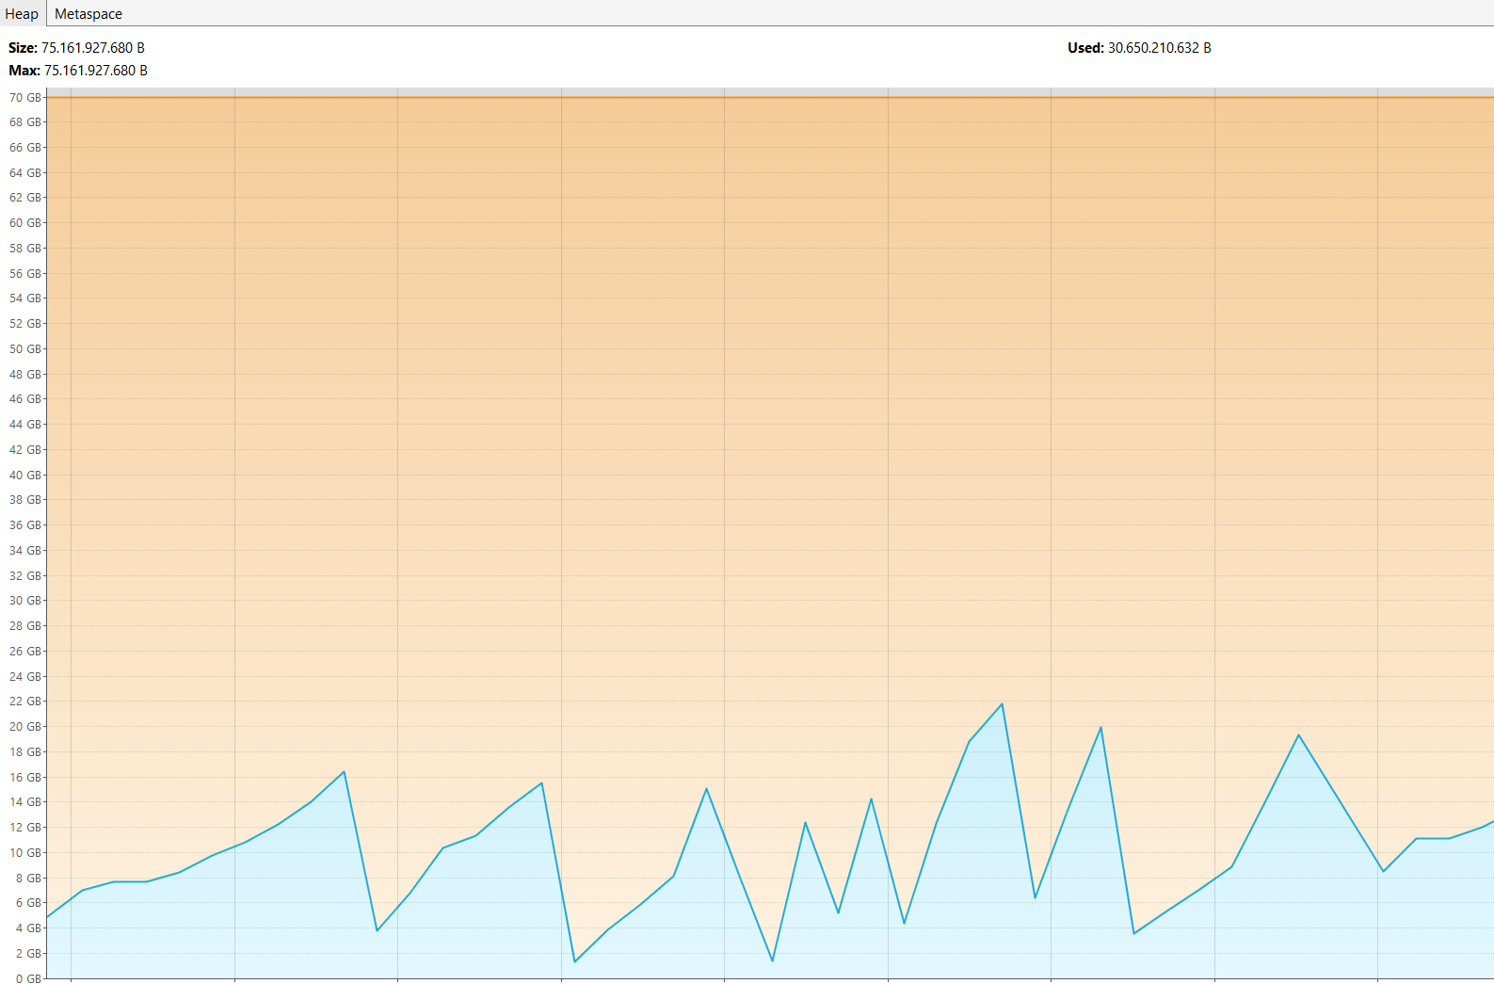
 |  |  |  |  |  |  |  | intra-variability | 14.542555556
 |  |  |  |  |  |  |  | inter-variability | 27.474333333
 |  |  |  |  |  |  |  | AVG Runtime | 42.016888889

Runtime MobileMedia
Starting Variability Mining Run 1 | Starting Variability Mining Run 2 | Starting Variability Mining Run 3 | Starting Variability Mining Run 4 | Starting Variability Mining Run 5 | Starting Variability Mining Run 6 | Starting Variability Mining Run 7 | Starting Variability Mining Run 8 | Starting Variability Mining Run 9 | Starting Variability Mining Run 10
next variant V-CORE-LABEL-COPY-SMS 9:57:13 | next variant V-CORE-LABEL-COPY-SMS 9:57:21 | next variant V-CORE-LABEL-COPY-SMS 9:57:28 | next variant V-CORE-LABEL-COPY-SMS 9:57:34 | next variant V-CORE-LABEL-COPY-SMS 9:57:40 | next variant V-CORE-LABEL-COPY-SMS 9:57:47 | next variant V-CORE-LABEL-COPY-SMS 9:57:53 | next variant V-CORE-LABEL-COPY-SMS 9:57:59 | next variant V-CORE-LABEL-COPY-SMS 9:58:6 | next variant V-CORE-LABEL-COPY-SMS 9:58:12
0.103 | 0.32 | 0.31 | 0.33 | 0.33 | 0.29 | 0.33 | 0.33 | 0.33 | 0.32 | 0.2993
next variant V-CORE-LABEL-COPY 9:57:14 | next variant V-CORE-LABEL-COPY 9:57:21 | next variant V-CORE-LABEL-COPY 9:57:28 | next variant V-CORE-LABEL-COPY 9:57:34 | next variant V-CORE-LABEL-COPY 9:57:40 | next variant V-CORE-LABEL-COPY 9:57:47 | next variant V-CORE-LABEL-COPY 9:57:53 | next variant V-CORE-LABEL-COPY 9:57:59 | next variant V-CORE-LABEL-COPY 9:58:6 | next variant V-CORE-LABEL-COPY 9:58:12
0.52 | 0.2 | 0.18 | 0.18 | 0.19 | 0.17 | 0.17 | 0.18 | 0.19 | 0.18 | 0.216
0.352 | 0.231 | 0.221 | 0.22 | 0.224 | 0.202 | 0.234 | 0.239 | 0.227 | 0.223 | 0.2373
next variant V-CORE-LABEL-FAV-COPY-SMS 9:57:14 | next variant V-CORE-LABEL-FAV-COPY-SMS 9:57:21 | next variant V-CORE-LABEL-FAV-COPY-SMS 9:57:28 | next variant V-CORE-LABEL-FAV-COPY-SMS 9:57:34 | next variant V-CORE-LABEL-FAV-COPY-SMS 9:57:41 | next variant V-CORE-LABEL-FAV-COPY-SMS 9:57:47 | next variant V-CORE-LABEL-FAV-COPY-SMS 9:57:53 | next variant V-CORE-LABEL-FAV-COPY-SMS 9:57:59 | next variant V-CORE-LABEL-FAV-COPY-SMS 9:58:6 | next variant V-CORE-LABEL-FAV-COPY-SMS 9:58:12
0.71 | 0.32 | 0.33 | 0.31 | 0.35 | 0.3 | 0.36 | 0.39 | 0.33 | 0.31 | 0.371
0.422 | 0.295 | 0.285 | 0.278 | 0.283 | 0.275 | 0.286 | 0.309 | 0.288 | 0.272 | 0.2993
next variant V-CORE-LABEL-FAV-COPY 9:57:14 | next variant V-CORE-LABEL-FAV-COPY 9:57:21 | next variant V-CORE-LABEL-FAV-COPY 9:57:28 | next variant V-CORE-LABEL-FAV-COPY 9:57:35 | next variant V-CORE-LABEL-FAV-COPY 9:57:41 | next variant V-CORE-LABEL-FAV-COPY 9:57:47 | next variant V-CORE-LABEL-FAV-COPY 9:57:53 | next variant V-CORE-LABEL-FAV-COPY 9:58:0 | next variant V-CORE-LABEL-FAV-COPY 9:58:6 | next variant V-CORE-LABEL-FAV-COPY 9:58:12
0.34 | 0.19 | 0.19 | 0.18 | 0.19 | 0.18 | 0.19 | 0.19 | 0.19 | 0.2 | 0.204
0.383 | 0.268 | 0.258 | 0.259 | 0.268 | 0.241 | 0.282 | 0.26 | 0.299 | 0.266 | 0.2784
next variant V-CORE-LABEL-FAV-SMS 9:57:15 | next variant V-CORE-LABEL-FAV-SMS 9:57:22 | next variant V-CORE-LABEL-FAV-SMS 9:57:29 | next variant V-CORE-LABEL-FAV-SMS 9:57:35 | next variant V-CORE-LABEL-FAV-SMS 9:57:41 | next variant V-CORE-LABEL-FAV-SMS 9:57:48 | next variant V-CORE-LABEL-FAV-SMS 9:57:54 | next variant V-CORE-LABEL-FAV-SMS 9:58:0 | next variant V-CORE-LABEL-FAV-SMS 9:58:7 | next variant V-CORE-LABEL-FAV-SMS 9:58:13
0.59 | 0.33 | 0.3 | 0.3 | 0.32 | 0.46 | 0.31 | 0.3 | 0.28 | 0.29 | 0.348
0.367 | 0.325 | 0.305 | 0.319 | 0.316 | 0.301 | 0.32 | 0.32 | 0.288 | 0.32 | 0.3181
next variant V-CORE-LABEL-FAV 9:57:15 | next variant V-CORE-LABEL-FAV 9:57:22 | next variant V-CORE-LABEL-FAV 9:57:29 | next variant V-CORE-LABEL-FAV 9:57:35 | next variant V-CORE-LABEL-FAV 9:57:42 | next variant V-CORE-LABEL-FAV 9:57:48 | next variant V-CORE-LABEL-FAV 9:57:54 | next variant V-CORE-LABEL-FAV 9:58:0 | next variant V-CORE-LABEL-FAV 9:58:7 | next variant V-CORE-LABEL-FAV 9:58:13
0.16 | 0.17 | 0.16 | 0.16 | 0.16 | 0.16 | 0.17 | 0.16 | 0.16 | 0.16 | 0.162
0.302 | 0.3 | 0.298 | 0.292 | 0.298 | 0.27 | 0.31 | 0.299 | 0.32 | 0.294 | 0.2983
next variant V-CORE-LABEL-SMS 9:57:16 | next variant V-CORE-LABEL-SMS 9:57:22 | next variant V-CORE-LABEL-SMS 9:57:29 | next variant V-CORE-LABEL-SMS 9:57:36 | next variant V-CORE-LABEL-SMS 9:57:42 | next variant V-CORE-LABEL-SMS 9:57:48 | next variant V-CORE-LABEL-SMS 9:57:54 | next variant V-CORE-LABEL-SMS 9:58:1 | next variant V-CORE-LABEL-SMS 9:58:7 | next variant V-CORE-LABEL-SMS 9:58:13
0.34 | 0.29 | 0.3 | 0.31 | 0.3 | 0.27 | 0.51 | 0.3 | 0.27 | 0.3 | 0.319
0.413 | 0.466 | 0.378 | 0.39 | 0.384 | 0.363 | 0.408 | 0.391 | 0.372 | 0.403 | 0.3968
next variant V-CORE-LABEL-SORT-COPY-SMS 9:57:16 | next variant V-CORE-LABEL-SORT-COPY-SMS 9:57:23 | next variant V-CORE-LABEL-SORT-COPY-SMS 9:57:30 | next variant V-CORE-LABEL-SORT-COPY-SMS 9:57:36 | next variant V-CORE-LABEL-SORT-COPY-SMS 9:57:42 | next variant V-CORE-LABEL-SORT-COPY-SMS 9:57:49 | next variant V-CORE-LABEL-SORT-COPY-SMS 9:57:55 | next variant V-CORE-LABEL-SORT-COPY-SMS 9:58:1 | next variant V-CORE-LABEL-SORT-COPY-SMS 9:58:8 | next variant V-CORE-LABEL-SORT-COPY-SMS 9:58:14
0.38 | 0.64 | 0.31 | 0.34 | 0.35 | 0.3 | 0.33 | 0.32 | 0.28 | 0.39 | 0.364
0.306 | 0.337 | 0.295 | 0.293 | 0.282 | 0.261 | 0.297 | 0.292 | 0.29 | 0.313 | 0.2966
next variant V-CORE-LABEL-SORT-COPY 9:57:16 | next variant V-CORE-LABEL-SORT-COPY 9:57:23 | next variant V-CORE-LABEL-SORT-COPY 9:57:30 | next variant V-CORE-LABEL-SORT-COPY 9:57:36 | next variant V-CORE-LABEL-SORT-COPY 9:57:43 | next variant V-CORE-LABEL-SORT-COPY 9:57:49 | next variant V-CORE-LABEL-SORT-COPY 9:57:55 | next variant V-CORE-LABEL-SORT-COPY 9:58:2 | next variant V-CORE-LABEL-SORT-COPY 9:58:8 | next variant V-CORE-LABEL-SORT-COPY 9:58:14
0.19 | 0.35 | 0.19 | 0.18 | 0.46 | 0.18 | 0.19 | 0.19 | 0.19 | 0.18 | 0.23
0.297 | 0.426 | 0.299 | 0.318 | 0.335 | 0.27 | 0.297 | 0.312 | 0.312 | 0.299 | 0.3165
next variant V-CORE-LABEL-SORT-FAV-COPY-SMS 9:57:17 | next variant V-CORE-LABEL-SORT-FAV-COPY-SMS 9:57:24 | next variant V-CORE-LABEL-SORT-FAV-COPY-SMS 9:57:30 | next variant V-CORE-LABEL-SORT-FAV-COPY-SMS 9:57:37 | next variant V-CORE-LABEL-SORT-FAV-COPY-SMS 9:57:43 | next variant V-CORE-LABEL-SORT-FAV-COPY-SMS 9:57:49 | next variant V-CORE-LABEL-SORT-FAV-COPY-SMS 9:57:55 | next variant V-CORE-LABEL-SORT-FAV-COPY-SMS 9:58:2 | next variant V-CORE-LABEL-SORT-FAV-COPY-SMS 9:58:8 | next variant V-CORE-LABEL-SORT-FAV-COPY-SMS 9:58:15
0.37 | 0.69 | 0.34 | 0.32 | 0.35 | 0.31 | 0.33 | 0.33 | 0.42 | 0.35 | 0.381
0.317 | 0.362 | 0.297 | 0.276 | 0.307 | 0.283 | 0.314 | 0.304 | 0.297 | 0.311 | 0.3068
next variant V-CORE-LABEL-SORT-FAV-COPY 9:57:17 | next variant V-CORE-LABEL-SORT-FAV-COPY 9:57:24 | next variant V-CORE-LABEL-SORT-FAV-COPY 9:57:31 | next variant V-CORE-LABEL-SORT-FAV-COPY 9:57:37 | next variant V-CORE-LABEL-SORT-FAV-COPY 9:57:43 | next variant V-CORE-LABEL-SORT-FAV-COPY 9:57:49 | next variant V-CORE-LABEL-SORT-FAV-COPY 9:57:56 | next variant V-CORE-LABEL-SORT-FAV-COPY 9:58:2 | next variant V-CORE-LABEL-SORT-FAV-COPY 9:58:9 | next variant V-CORE-LABEL-SORT-FAV-COPY 9:58:15
0.21 | 0.37 | 0.23 | 0.19 | 0.21 | 0.18 | 0.19 | 0.19 | 0.18 | 0.21 | 0.216
0.301 | 0.435 | 0.3 | 0.274 | 0.285 | 0.265 | 0.412 | 0.298 | 0.268 | 0.3 | 0.3138
next variant V-CORE-LABEL-SORT-FAV-SMS 9:57:17 | next variant V-CORE-LABEL-SORT-FAV-SMS 9:57:24 | next variant V-CORE-LABEL-SORT-FAV-SMS 9:57:31 | next variant V-CORE-LABEL-SORT-FAV-SMS 9:57:37 | next variant V-CORE-LABEL-SORT-FAV-SMS 9:57:44 | next variant V-CORE-LABEL-SORT-FAV-SMS 9:57:50 | next variant V-CORE-LABEL-SORT-FAV-SMS 9:57:56 | next variant V-CORE-LABEL-SORT-FAV-SMS 9:58:3 | next variant V-CORE-LABEL-SORT-FAV-SMS 9:58:9 | next variant V-CORE-LABEL-SORT-FAV-SMS 9:58:15
0.34 | 0.64 | 0.36 | 0.3 | 0.34 | 0.28 | 0.29 | 0.32 | 0.29 | 0.32 | 0.348
0.359 | 0.451 | 0.378 | 0.33 | 0.342 | 0.318 | 0.331 | 0.357 | 0.353 | 0.36 | 0.3579
next variant V-CORE-LABEL-SORT-FAV 9:57:18 | next variant V-CORE-LABEL-SORT-FAV 9:57:25 | next variant V-CORE-LABEL-SORT-FAV 9:57:31 | next variant V-CORE-LABEL-SORT-FAV 9:57:38 | next variant V-CORE-LABEL-SORT-FAV 9:57:44 | next variant V-CORE-LABEL-SORT-FAV 9:57:50 | next variant V-CORE-LABEL-SORT-FAV 9:57:57 | next variant V-CORE-LABEL-SORT-FAV 9:58:3 | next variant V-CORE-LABEL-SORT-FAV 9:58:9 | next variant V-CORE-LABEL-SORT-FAV 9:58:16
0.18 | 0.17 | 0.19 | 0.16 | 0.17 | 0.15 | 0.15 | 0.17 | 0.15 | 0.17 | 0.166
0.338 | 0.335 | 0.366 | 0.303 | 0.33 | 0.324 | 0.308 | 0.346 | 0.31 | 0.343 | 0.3303
next variant V-CORE-LABEL-SORT-SMS 9:57:18 | next variant V-CORE-LABEL-SORT-SMS 9:57:25 | next variant V-CORE-LABEL-SORT-SMS 9:57:32 | next variant V-CORE-LABEL-SORT-SMS 9:57:38 | next variant V-CORE-LABEL-SORT-SMS 9:57:44 | next variant V-CORE-LABEL-SORT-SMS 9:57:50 | next variant V-CORE-LABEL-SORT-SMS 9:57:57 | next variant V-CORE-LABEL-SORT-SMS 9:58:3 | next variant V-CORE-LABEL-SORT-SMS 9:58:10 | next variant V-CORE-LABEL-SORT-SMS 9:58:16
0.32 | 0.3 | 0.34 | 0.28 | 0.31 | 0.32 | 0.27 | 0.36 | 0.26 | 0.3 | 0.306
0.39 | 0.374 | 0.415 | 0.356 | 0.378 | 0.349 | 0.388 | 0.412 | 0.375 | 0.378 | 0.3815
next variant V-CORE-LABEL-SORT 9:57:19 | next variant V-CORE-LABEL-SORT 9:57:26 | next variant V-CORE-LABEL-SORT 9:57:32 | next variant V-CORE-LABEL-SORT 9:57:38 | next variant V-CORE-LABEL-SORT 9:57:45 | next variant V-CORE-LABEL-SORT 9:57:51 | next variant V-CORE-LABEL-SORT 9:57:57 | next variant V-CORE-LABEL-SORT 9:58:4 | next variant V-CORE-LABEL-SORT 9:58:10 | next variant V-CORE-LABEL-SORT 9:58:16
0.16 | 0.16 | 0.19 | 0.14 | 0.15 | 0.15 | 0.14 | 0.19 | 0.13 | 0.15 | 0.156
0.356 | 0.35 | 0.366 | 0.328 | 0.35 | 0.326 | 0.346 | 0.371 | 0.342 | 0.357 | 0.3492
next variant V-CORE-LABEL 9:57:19 | next variant V-CORE-LABEL 9:57:26 | next variant V-CORE-LABEL 9:57:33 | next variant V-CORE-LABEL 9:57:39 | next variant V-CORE-LABEL 9:57:45 | next variant V-CORE-LABEL 9:57:51 | next variant V-CORE-LABEL 9:57:58 | next variant V-CORE-LABEL 9:58:4 | next variant V-CORE-LABEL 9:58:10 | next variant V-CORE-LABEL 9:58:17
0.16 | 0.16 | 0.15 | 0.14 | 0.16 | 0.16 | 0.14 | 0.15 | 0.13 | 0.16 | 0.151
0.396 | 0.42 | 0.371 | 0.357 | 0.383 | 0.375 | 0.38 | 0.383 | 0.368 | 0.395 | 0.3828
------------------------------- | ------------------------------- | ------------------------------- | ------------------------------- | ------------------------------- | ------------------------------- | ------------------------------- | ------------------------------- | ------------------------------- | -------------------------------
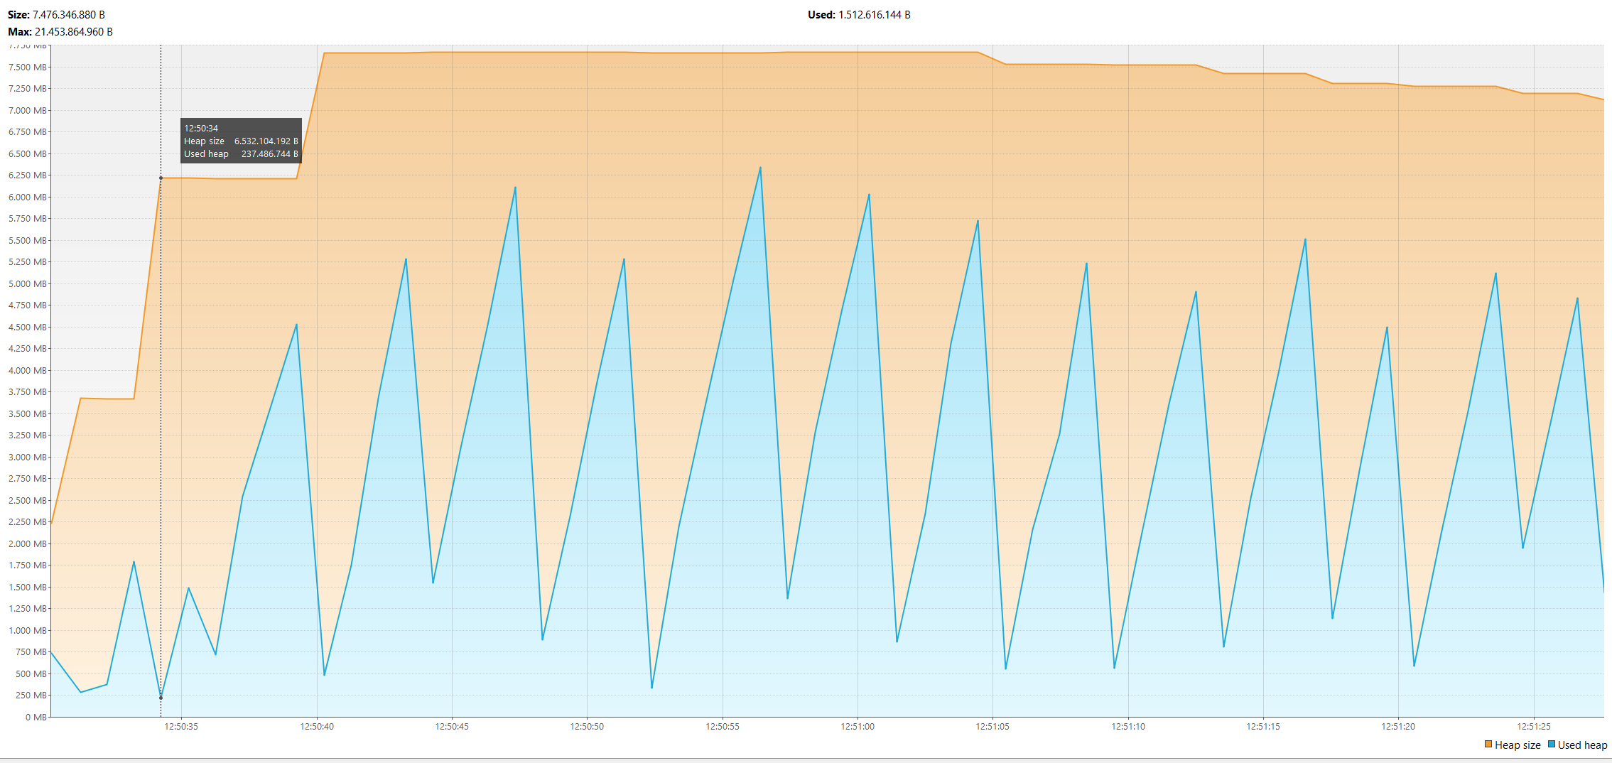
 |  |  |  |  |  |  |  |  | intra-variability | 4.2373
 |  |  |  |  |  |  |  |  | inter-variability | 4.8636
 |  |  |  |  |  |  |  |  | AVG Runtime | 8.7181

Runtime Elevator
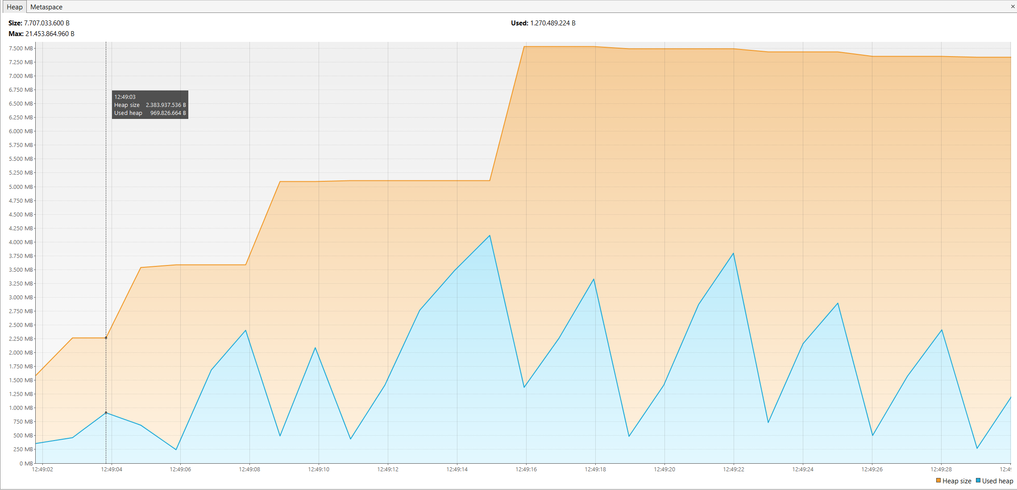
Starting Variability Mining Run 1 | Starting Variability Mining Run 2 | Starting Variability Mining Run 3 | Starting Variability Mining Run 4 | Starting Variability Mining Run 5 | Starting Variability Mining Run 6 | Starting Variability Mining Run 7 | Starting Variability Mining Run 8 | Starting Variability Mining Run 9 | Starting Variability Mining Run 10
next variant 00001 10:10:14 | next variant 00001 10:10:20 | next variant 00001 10:10:24 | next variant 00001 10:10:29 | next variant 00001 10:10:33 | next variant 00001 10:10:37 | next variant 00001 10:10:41 | next variant 00001 10:10:45 | next variant 00001 10:10:49 | next variant 00001 10:10:52
0.7 | 0.7 | 0.7 | 0.7 | 0.5 | 0.4 | 0.6 | 0.4 | 0.4 | 0.5 | 0.56
next variant 00002 10:10:14 | next variant 00002 10:10:20 | next variant 00002 10:10:24 | next variant 00002 10:10:29 | next variant 00002 10:10:33 | next variant 00002 10:10:37 | next variant 00002 10:10:41 | next variant 00002 10:10:45 | next variant 00002 10:10:49 | next variant 00002 10:10:52
0.7 | 0.6 | 0.7 | 0.8 | 0.5 | 0.4 | 0.4 | 0.4 | 0.5 | 0.4 | 0.54
0.473 | 0.472 | 0.459 | 0.458 | 0.406 | 0.395 | 0.387 | 0.386 | 0.39 | 0.395 | 0.4221
next variant 00003 10:10:15 | next variant 00003 10:10:20 | next variant 00003 10:10:25 | next variant 00003 10:10:30 | next variant 00003 10:10:34 | next variant 00003 10:10:38 | next variant 00003 10:10:42 | next variant 00003 10:10:45 | next variant 00003 10:10:49 | next variant 00003 10:10:53
0.15 | 0.14 | 0.13 | 0.15 | 0.8 | 0.7 | 0.8 | 0.8 | 0.8 | 0.8 | 0.527
0.186 | 0.179 | 0.177 | 0.196 | 0.144 | 0.135 | 0.136 | 0.134 | 0.136 | 0.154 | 0.1577
next variant 00004 10:10:15 | next variant 00004 10:10:20 | next variant 00004 10:10:25 | next variant 00004 10:10:30 | next variant 00004 10:10:34 | next variant 00004 10:10:38 | next variant 00004 10:10:42 | next variant 00004 10:10:46 | next variant 00004 10:10:49 | next variant 00004 10:10:53
0.17 | 0.16 | 0.16 | 0.16 | 0.9 | 0.9 | 0.1 | 0.9 | 0.9 | 0.9 | 0.525
0.201 | 0.189 | 0.191 | 0.191 | 0.154 | 0.147 | 0.149 | 0.146 | 0.144 | 0.146 | 0.1658
next variant 00005 10:10:15 | next variant 00005 10:10:20 | next variant 00005 10:10:25 | next variant 00005 10:10:30 | next variant 00005 10:10:34 | next variant 00005 10:10:38 | next variant 00005 10:10:42 | next variant 00005 10:10:46 | next variant 00005 10:10:49 | next variant 00005 10:10:53
0.8 | 0.9 | 0.8 | 0.8 | 0.6 | 0.5 | 0.5 | 0.5 | 0.5 | 0.5 | 0.64
0.224 | 0.22 | 0.212 | 0.211 | 0.172 | 0.175 | 0.161 | 0.162 | 0.163 | 0.163 | 0.1863
next variant 00006 10:10:16 | next variant 00006 10:10:21 | next variant 00006 10:10:26 | next variant 00006 10:10:30 | next variant 00006 10:10:34 | next variant 00006 10:10:38 | next variant 00006 10:10:42 | next variant 00006 10:10:46 | next variant 00006 10:10:50 | next variant 00006 10:10:53
0.9 | 0.8 | 0.8 | 0.8 | 0.5 | 0.5 | 0.5 | 0.5 | 0.5 | 0.5 | 0.63
0.297 | 0.305 | 0.284 | 0.281 | 0.257 | 0.226 | 0.221 | 0.221 | 0.227 | 0.231 | 0.255
next variant 00007 10:10:16 | next variant 00007 10:10:21 | next variant 00007 10:10:26 | next variant 00007 10:10:30 | next variant 00007 10:10:35 | next variant 00007 10:10:38 | next variant 00007 10:10:42 | next variant 00007 10:10:46 | next variant 00007 10:10:50 | next variant 00007 10:10:54
0.1 | 0.1 | 0.9 | 0.9 | 0.6 | 0.6 | 0.7 | 0.6 | 0.6 | 0.7 | 0.58
0.228 | 0.221 | 0.217 | 0.234 | 0.181 | 0.179 | 0.168 | 0.165 | 0.168 | 0.18 | 0.1941
next variant 00008 10:10:16 | next variant 00008 10:10:21 | next variant 00008 10:10:26 | next variant 00008 10:10:31 | next variant 00008 10:10:35 | next variant 00008 10:10:39 | next variant 00008 10:10:42 | next variant 00008 10:10:46 | next variant 00008 10:10:50 | next variant 00008 10:10:54
0.1 | 0.1 | 0.9 | 0.9 | 0.6 | 0.7 | 0.5 | 0.5 | 0.5 | 0.6 | 0.54
0.275 | 0.27 | 0.275 | 0.268 | 0.224 | 0.216 | 0.28 | 0.217 | 0.216 | 0.225 | 0.2466
next variant 00009 10:10:16 | next variant 00009 10:10:21 | next variant 00009 10:10:26 | next variant 00009 10:10:31 | next variant 00009 10:10:35 | next variant 00009 10:10:39 | next variant 00009 10:10:43 | next variant 00009 10:10:46 | next variant 00009 10:10:50 | next variant 00009 10:10:54
0.8 | 0.8 | 0.7 | 0.5 | 0.5 | 0.4 | 0.4 | 0.1 | 0.4 | 0.5 | 0.51
0.511 | 0.501 | 0.501 | 0.439 | 0.436 | 0.425 | 0.424 | 0.436 | 0.422 | 0.436 | 0.4531
next variant 00010 10:10:17 | next variant 00010 10:10:22 | next variant 00010 10:10:27 | next variant 00010 10:10:31 | next variant 00010 10:10:35 | next variant 00010 10:10:39 | next variant 00010 10:10:43 | next variant 00010 10:10:47 | next variant 00010 10:10:51 | next variant 00010 10:10:54
0.7 | 0.6 | 0.7 | 0.5 | 0.5 | 0.4 | 0.4 | 0.4 | 0.4 | 0.5 | 0.51
0.489 | 0.483 | 0.481 | 0.425 | 0.426 | 0.414 | 0.405 | 0.404 | 0.413 | 0.413 | 0.4353
next variant 00011 10:10:17 | next variant 00011 10:10:22 | next variant 00011 10:10:27 | next variant 00011 10:10:32 | next variant 00011 10:10:36 | next variant 00011 10:10:40 | next variant 00011 10:10:43 | next variant 00011 10:10:47 | next variant 00011 10:10:51 | next variant 00011 10:10:55
0.16 | 0.14 | 0.14 | 0.9 | 0.9 | 0.8 | 0.8 | 0.8 | 0.8 | 0.8 | 0.624
0.165 | 0.161 | 0.133 | 0.121 | 0.119 | 0.111 | 0.112 | 0.108 | 0.112 | 0.114 | 0.1256
next variant 00012 10:10:18 | next variant 00012 10:10:23 | next variant 00012 10:10:28 | next variant 00012 10:10:32 | next variant 00012 10:10:36 | next variant 00012 10:10:40 | next variant 00012 10:10:44 | next variant 00012 10:10:47 | next variant 00012 10:10:51 | next variant 00012 10:10:55
0.33 | 0.16 | 0.1 | 0.15 | 0.1 | 0.9 | 0.8 | 0.1 | 0.9 | 0.9 | 0.444
0.152 | 0.145 | 0.11 | 0.146 | 0.113 | 0.104 | 0.109 | 0.1 | 0.103 | 0.102 | 0.1184
next variant 00013 10:10:18 | next variant 00013 10:10:23 | next variant 00013 10:10:28 | next variant 00013 10:10:32 | next variant 00013 10:10:36 | next variant 00013 10:10:40 | next variant 00013 10:10:44 | next variant 00013 10:10:48 | next variant 00013 10:10:51 | next variant 00013 10:10:55
0.8 | 0.8 | 0.6 | 0.8 | 0.5 | 0.5 | 0.5 | 0.6 | 0.5 | 0.5 | 0.61
0.225 | 0.219 | 0.171 | 0.217 | 0.178 | 0.171 | 0.17 | 0.17 | 0.169 | 0.169 | 0.1859
next variant 00014 10:10:18 | next variant 00014 10:10:23 | next variant 00014 10:10:28 | next variant 00014 10:10:32 | next variant 00014 10:10:36 | next variant 00014 10:10:40 | next variant 00014 10:10:44 | next variant 00014 10:10:48 | next variant 00014 10:10:51 | next variant 00014 10:10:55
0.8 | 0.8 | 0.5 | 0.5 | 0.5 | 0.6 | 0.5 | 0.5 | 0.5 | 0.5 | 0.57
0.228 | 0.224 | 0.173 | 0.179 | 0.18 | 0.171 | 0.169 | 0.169 | 0.171 | 0.169 | 0.1833
next variant 00015 10:10:18 | next variant 00015 10:10:23 | next variant 00015 10:10:28 | next variant 00015 10:10:33 | next variant 00015 10:10:37 | next variant 00015 10:10:40 | next variant 00015 10:10:44 | next variant 00015 10:10:48 | next variant 00015 10:10:52 | next variant 00015 10:10:55
0.1 | 0.1 | 0.6 | 0.7 | 0.7 | 0.6 | 0.6 | 0.6 | 0.5 | 0.6 | 0.51
0.221 | 0.209 | 0.159 | 0.174 | 0.173 | 0.158 | 0.157 | 0.156 | 0.163 | 0.16 | 0.173
next variant 00016 10:10:19 | next variant 00016 10:10:23 | next variant 00016 10:10:28 | next variant 00016 10:10:33 | next variant 00016 10:10:37 | next variant 00016 10:10:40 | next variant 00016 10:10:44 | next variant 00016 10:10:48 | next variant 00016 10:10:52 | next variant 00016 10:10:56
0.1 | 0.1 | 0.7 | 0.7 | 0.6 | 0.6 | 0.6 | 0.6 | 0.6 | 0.6 | 0.52
0.219 | 0.215 | 0.197 | 0.169 | 0.17 | 0.161 | 0.16 | 0.158 | 0.163 | 0.161 | 0.1773
------------------------------- | ------------------------------- | ------------------------------- | ------------------------------- | ------------------------------- | ------------------------------- | ------------------------------- | ------------------------------- | ------------------------------- | -------------------------------
 |  |  |  |  |  |  |  |  | intra-variability | 8.84
 |  |  |  |  |  |  |  |  | inter-variability | 3.4795
 |  |  |  |  |  |  |  |  | AVG Runtime | 12.1422

